Sheet1
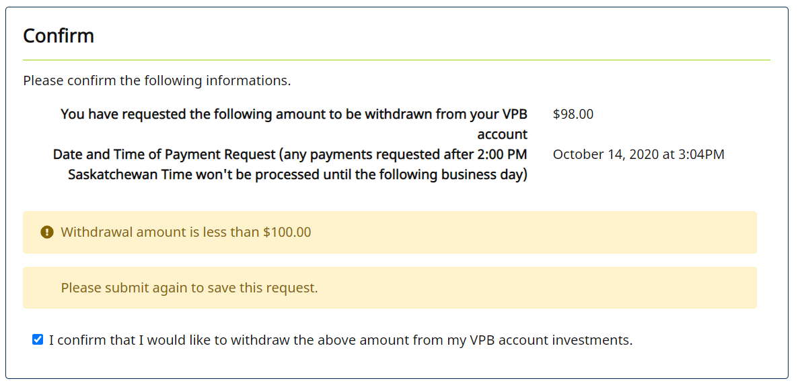
Case ID# | Test scenarios for : | Precondition | Org/Mkey | Step | Test Case Description | Expected Results | Actual Results | Outcome Pass/Fail | Retest Outcome Pass/Fail | Release # | Retest Release # | Test Type | Date Tested | Retest Date | Tested By | Retested By | Test Link | JIRA Ticket # | Comments
E16.17 | E16.17 - Try process a Lump sum under $100 on Penweb | Find a VPB member with an account balance that is active and has a Penweb account |  | 1 | Log in to Penweb | Can log in to Penweb | Verified | Pass |  |  |  | Functional | 14-Oct-20 |  | Jason Collings
 |  |  |  | 2 | Navigate to Request a Onetime Withdrawal | Can navigate to the region | Verified | Pass |  |  |  | Functional | 14-Oct-20 |  | Jason Collings
 |  |  |  | 3 | Enter in the amount as less than $100 | Can enter an amount for less than $100 | Verified | Pass |  |  |  | Functional | 14-Oct-20 |  | Jason Collings
 |  |  |  | 4 | Click next and try to proceed | Can proceed | Verified | Pass |  |  |  | Functional | 14-Oct-20 |  | Jason Collings
 |  |  |  | 5 | Click confirm and verify that a validation is provided since the amount is less than $100 | Validation shows | Verified | Pass |  |  |  | Functional | 14-Oct-20 |  | Jason Collings

